Data
Start Time | Stop Time | Number of alarms | Alarms/min | % | Number of alarms | 1222 |  | Max alarm rate | 84 | / 10min
29/10/2023 12:00 | 29/10/2023 12:10 | 28 | 2.80 | 2.29% | Average alarm rate during steady state | 0.00 | / 10min
29/10/2023 12:10 | 29/10/2023 12:20 | 24 | 2.40 | 1.96%
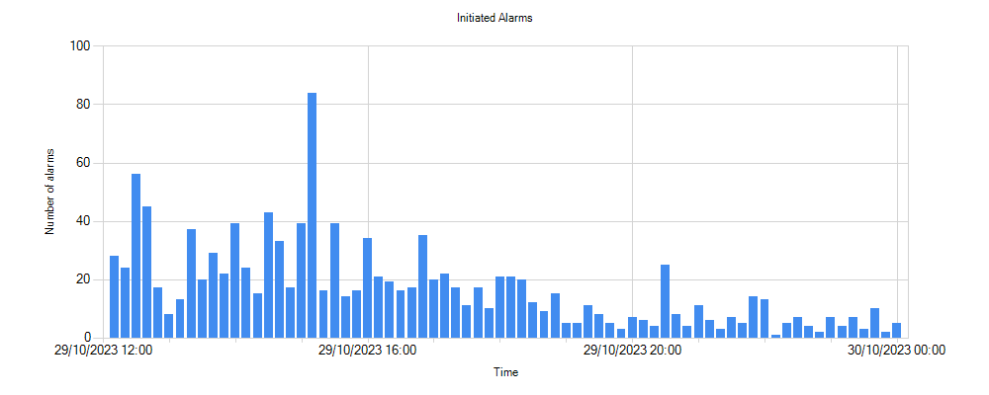
29/10/2023 12:20 | 29/10/2023 12:30 | 56 | 5.60 | 4.58%
29/10/2023 12:30 | 29/10/2023 12:40 | 45 | 4.50 | 3.68%
29/10/2023 12:40 | 29/10/2023 12:50 | 17 | 1.70 | 1.39%
29/10/2023 12:50 | 29/10/2023 13:00 | 8 | 0.80 | 0.65%
29/10/2023 13:00 | 29/10/2023 13:10 | 13 | 1.30 | 1.06%
29/10/2023 13:10 | 29/10/2023 13:20 | 37 | 3.70 | 3.03%
29/10/2023 13:20 | 29/10/2023 13:30 | 20 | 2.00 | 1.64%
29/10/2023 13:30 | 29/10/2023 13:40 | 29 | 2.90 | 2.37%
29/10/2023 13:40 | 29/10/2023 13:50 | 22 | 2.20 | 1.80%
29/10/2023 13:50 | 29/10/2023 14:00 | 39 | 3.90 | 3.19%
29/10/2023 14:00 | 29/10/2023 14:10 | 24 | 2.40 | 1.96%
29/10/2023 14:10 | 29/10/2023 14:20 | 15 | 1.50 | 1.23%
29/10/2023 14:20 | 29/10/2023 14:30 | 43 | 4.30 | 3.52%
29/10/2023 14:30 | 29/10/2023 14:40 | 33 | 3.30 | 2.70%
29/10/2023 14:40 | 29/10/2023 14:50 | 17 | 1.70 | 1.39%
29/10/2023 14:50 | 29/10/2023 15:00 | 39 | 3.90 | 3.19%
29/10/2023 15:00 | 29/10/2023 15:10 | 84 | 8.40 | 6.87%
29/10/2023 15:10 | 29/10/2023 15:20 | 16 | 1.60 | 1.31%
29/10/2023 15:20 | 29/10/2023 15:30 | 39 | 3.90 | 3.19%
29/10/2023 15:30 | 29/10/2023 15:40 | 14 | 1.40 | 1.15%
29/10/2023 15:40 | 29/10/2023 15:50 | 16 | 1.60 | 1.31%
29/10/2023 15:50 | 29/10/2023 16:00 | 34 | 3.40 | 2.78%
29/10/2023 16:00 | 29/10/2023 16:10 | 21 | 2.10 | 1.72%
29/10/2023 16:10 | 29/10/2023 16:20 | 19 | 1.90 | 1.55%
29/10/2023 16:20 | 29/10/2023 16:30 | 16 | 1.60 | 1.31%
29/10/2023 16:30 | 29/10/2023 16:40 | 17 | 1.70 | 1.39%
29/10/2023 16:40 | 29/10/2023 16:50 | 35 | 3.50 | 2.86%
29/10/2023 16:50 | 29/10/2023 17:00 | 20 | 2.00 | 1.64%
29/10/2023 17:00 | 29/10/2023 17:10 | 22 | 2.20 | 1.80%
29/10/2023 17:10 | 29/10/2023 17:20 | 17 | 1.70 | 1.39%
29/10/2023 17:20 | 29/10/2023 17:30 | 11 | 1.10 | 0.90%
29/10/2023 17:30 | 29/10/2023 17:40 | 17 | 1.70 | 1.39%
29/10/2023 17:40 | 29/10/2023 17:50 | 10 | 1.00 | 0.82%
29/10/2023 17:50 | 29/10/2023 18:00 | 21 | 2.10 | 1.72%
29/10/2023 18:00 | 29/10/2023 18:10 | 21 | 2.10 | 1.72%
29/10/2023 18:10 | 29/10/2023 18:20 | 20 | 2.00 | 1.64%
29/10/2023 18:20 | 29/10/2023 18:30 | 12 | 1.20 | 0.98%
29/10/2023 18:30 | 29/10/2023 18:40 | 9 | 0.90 | 0.74%
29/10/2023 18:40 | 29/10/2023 18:50 | 15 | 1.50 | 1.23%
29/10/2023 18:50 | 29/10/2023 19:00 | 5 | 0.50 | 0.41%
29/10/2023 19:00 | 29/10/2023 19:10 | 5 | 0.50 | 0.41%
29/10/2023 19:10 | 29/10/2023 19:20 | 11 | 1.10 | 0.90%
29/10/2023 19:20 | 29/10/2023 19:30 | 8 | 0.80 | 0.65%
29/10/2023 19:30 | 29/10/2023 19:40 | 5 | 0.50 | 0.41%
29/10/2023 19:40 | 29/10/2023 19:50 | 3 | 0.30 | 0.25%
29/10/2023 19:50 | 29/10/2023 20:00 | 7 | 0.70 | 0.57%
29/10/2023 20:00 | 29/10/2023 20:10 | 6 | 0.60 | 0.49%
29/10/2023 20:10 | 29/10/2023 20:20 | 4 | 0.40 | 0.33%
29/10/2023 20:20 | 29/10/2023 20:30 | 25 | 2.50 | 2.05%
29/10/2023 20:30 | 29/10/2023 20:40 | 8 | 0.80 | 0.65%
29/10/2023 20:40 | 29/10/2023 20:50 | 4 | 0.40 | 0.33%
29/10/2023 20:50 | 29/10/2023 21:00 | 11 | 1.10 | 0.90%
29/10/2023 21:00 | 29/10/2023 21:10 | 6 | 0.60 | 0.49%
29/10/2023 21:10 | 29/10/2023 21:20 | 3 | 0.30 | 0.25%
29/10/2023 21:20 | 29/10/2023 21:30 | 7 | 0.70 | 0.57%
29/10/2023 21:30 | 29/10/2023 21:40 | 5 | 0.50 | 0.41%
29/10/2023 21:40 | 29/10/2023 21:50 | 14 | 1.40 | 1.15%
29/10/2023 21:50 | 29/10/2023 22:00 | 13 | 1.30 | 1.06%
29/10/2023 22:00 | 29/10/2023 22:10 | 1 | 0.10 | 0.08%
29/10/2023 22:10 | 29/10/2023 22:20 | 5 | 0.50 | 0.41%
29/10/2023 22:20 | 29/10/2023 22:30 | 7 | 0.70 | 0.57%
29/10/2023 22:30 | 29/10/2023 22:40 | 4 | 0.40 | 0.33%
29/10/2023 22:40 | 29/10/2023 22:50 | 2 | 0.20 | 0.16%
29/10/2023 22:50 | 29/10/2023 23:00 | 7 | 0.70 | 0.57%
29/10/2023 23:00 | 29/10/2023 23:10 | 4 | 0.40 | 0.33%
29/10/2023 23:10 | 29/10/2023 23:20 | 7 | 0.70 | 0.57%
29/10/2023 23:20 | 29/10/2023 23:30 | 3 | 0.30 | 0.25%
29/10/2023 23:30 | 29/10/2023 23:40 | 10 | 1.00 | 0.82%
29/10/2023 23:40 | 29/10/2023 23:50 | 2 | 0.20 | 0.16%
29/10/2023 23:50 | 30/10/2023 00:00 | 5 | 0.50 | 0.41%

